Sheet1
Przykładowe scenariusze testowe dla ekranu logowania strony http://www.m3gustapl.com

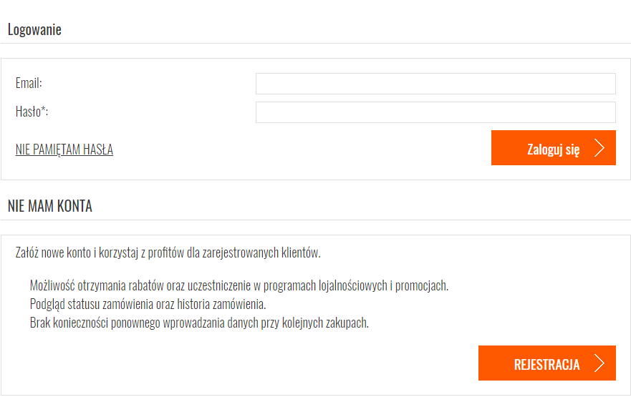

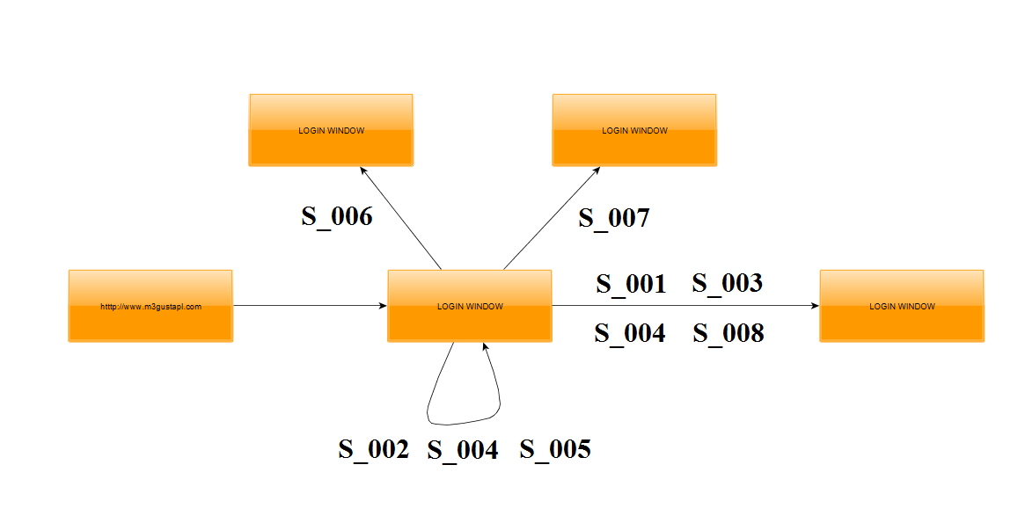

Test element: | http://www.m3gustapl.com
Component: | Login page
Created by: | Patryk Kochanowski
Date of creation: | 01.03.2018

Scenario ID | Scenario description | Importance | IDs of test cases

S_001 | User is able to login with valid username and password. | High | TC_001, TC_002
S_002 | User is not able to login with invalid username and password. | High | TC_003, TC_004, TC_005, TC_006, TC_007, TC_008, TC_009, TC_010
S_003 | Password is masked on the screen. | High | TC_011
S_004 | Login function handles case sensitivity. | Medium | TC_012, TC_013, TC_014, TC_015, TC_016
S_005 | User is not able to leave username and password empty. | Medium | TC_017, TC_018, TC_019
S_006 | "REJESTRACJA" button is redirecting user correctly. | High | TC_020
S_007 | NIE PAMIĘTAM HASŁA" button is redirecting user correctly. | High | TC_021
S_008 | TAB is working correctly | Low | TC_022

